Bug Report
Bug ID | Priority | Description/Bug Summary | Pre-requisites | Bug steps | Expected result | Actual result | Status | Test executed by | Browser/Device | Screenshot/video recording
TNINJA_001 | High | When the user clicks on Software link a message is displayed saying - There are no products to list in this category, that's why user is not able to add any software item to cart | 1. Open the Browser 2. Enter the url - https://tutorialsninja.com/demo/ | 1. Enter the URL, application will be opened 2. In the header section of homepage the software link when clicked by the user is showing a blank page and a message saying - There are no products to list in this category at the end the user is unable to add the items into cart | The Software category should display the available softwares when clicked and user should be able to add the items to cart | Defect, The Software category is not displaying the softwares when clicked and user is not able to add the items to cart | Fail | Kanishk Chaddha | Browser - Chrome and Yahoo OS - Ubuntu 22.04.4 LTS Devices: Mobile - Samsung Galaxy S20 ultra, Samsung Galaxy A51/71, Asus Zenbook fold Laptop - Dell Inspiron 15 3000 Series | 
TNINJA_002 | High | When the user clicks on MP3 Players link and select test 11 from dropdown options a message is displayed saying - There are no products to list in this category and also there is no product listed for other tests also,except MP3 players option which is visible after clicking on one of the tests | 1. Open the Browser 2. Enter the url - https://tutorialsninja.com/demo/ | 1. Enter the URL, application will be opened 2. In the header section of homepage the MP3 Players link when clicked by the user is showing a dropdown and when the user select any option from it another page is displayed with a message saying - There are no products to list in this category. | The MP3 Players category should display the available MP3 players when clicked by the user | Defect, The MP3 Players category is not displaying the available MP3 players when clicked by the user | Fail | Kanishk Chaddha | Browser - Chrome and Yahoo OS - Ubuntu 22.04.4 LTS Devices: Mobile - Samsung Galaxy S20 ultra, Samsung Galaxy A51/71, Asus Zenbook fold Laptop - Dell Inspiron 15 3000 Series | 
TNINJA_003 | High | Although computers are there on website but with the name of Desktops and, When user search for computers a message is displayed saying - There is no product that matches the search criteria. | 1. Open the Browser 2. Enter the url - https://tutorialsninja.com/demo/ | 1. Enter the URL, application will be opened 2. When the user search for computers, computers are not displayed but they are available when the user clicks on Desktop category computers are displayed. | When the user searches for computers, all the available computers should be displayed | Defect, Although computers are available but not displayed when searched by the users | Fail | Kanishk Chaddha | Browser - Chrome and Yahoo OS - Ubuntu 22.04.4 LTS Devices: Mobile - Samsung Galaxy S20 ultra, Samsung Galaxy A51/71, Asus Zenbook fold Laptop - Dell Inspiron 15 3000 Series | 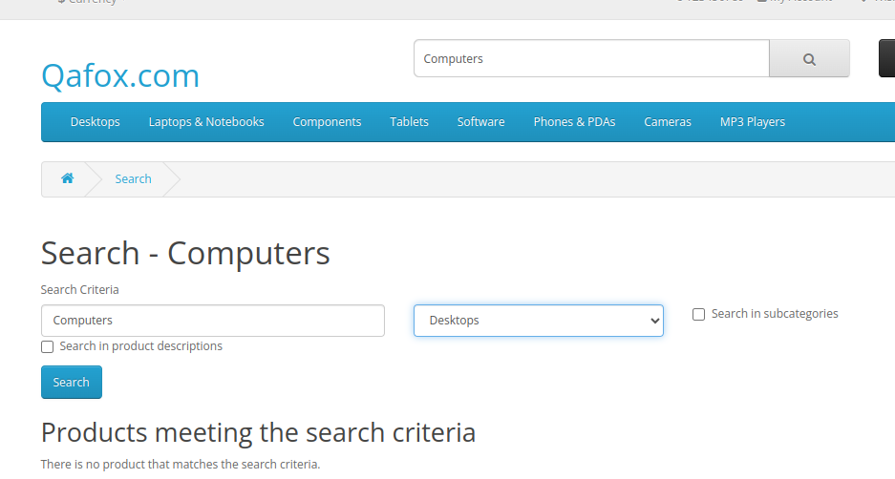
TNINJA_004 | High | Although 3 mobile phones are listed on website but with the name of Phones & PDAs and, When user search for mobile phones a message is displayed saying - There is no product that matches the search criteria. | 1. Open the Browser 2. Enter the url - https://tutorialsninja.com/demo/ | 1. Enter the URL, application will be opened 2. When the user search for mobile phones, mobile phones are not displayed but they are available when the user clicks on Phones & PDAs category mobile phones are displayed. | When the user searches for mobile phones, all the available mobile phones should be displayed | Defect, Although mobile phones are available but not displayed when searched by the users | Fail | Kanishk Chaddha | 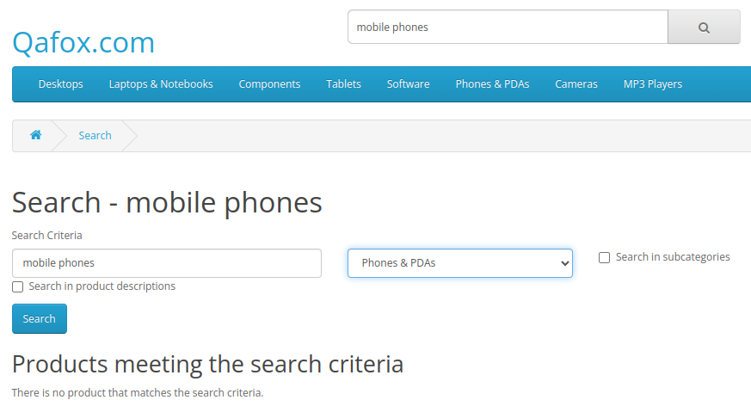 Browser - Chrome and Yahoo OS - Ubuntu 22.04.4 LTS Devices: Mobile - Samsung Galaxy S20 ultra, Samsung Galaxy A51/71, Asus Zenbook fold Laptop - Dell Inspiron 15 3000 Series
TNINJA_005 | High | Although Laptops are listed & available on website but with the name of Laptops & Notebooks and, When user search for Laptops a message is displayed saying - There is no product that matches the search criteria. | 1. Open the Browser 2. Enter the url - https://tutorialsninja.com/demo/ | 1. Enter the URL, application will be opened 2. When the user search Laptops, Laptops are not displayed but they are available when the user clicks on Laptops & Notebooks category Laptops are displayed. | When the user searches for Laptops, all the available Laptops should be displayed | Defect, Although Laptops are available but not displayed when searched by the users | Fail | Kanishk Chaddha | Browser - Chrome and Yahoo OS - Ubuntu 22.04.4 LTS Devices: Mobile - Samsung Galaxy S20 ultra, Samsung Galaxy A51/71, Asus Zenbook fold Laptop - Dell Inspiron 15 3000 Series | 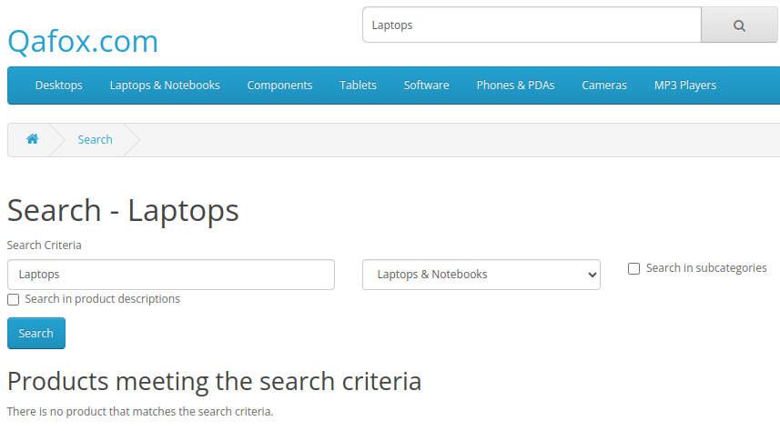
TNINJA_006 | High | Even when the user search for the keyword cameras which is also in the categories, the cameras are not displayed, but when the user just clicks on the cameras category only 2 cameras are displayed. | 1. Open the Browser 2. Enter the url - https://tutorialsninja.com/demo/ | 1. Enter the URL, application will be opened 2. When the user search camera, cameras are not displayed but they are available when the user clicks on cameras category cameras are displayed. | When the user searches for camera, all the available cameras should be displayed | Defect, Although cameras are available but not displayed when searched by the users | Fail | Kanishk Chaddha | Browser - Chrome and Yahoo OS - Ubuntu 22.04.4 LTS Devices: Mobile - Samsung Galaxy S20 ultra, Samsung Galaxy A51/71, Asus Zenbook fold Laptop - Dell Inspiron 15 3000 Series | 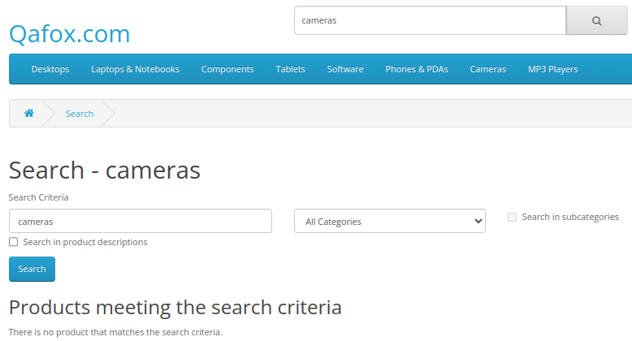
TNINJA_007 | High | One iphone is available but when the user enters a keyword with a combination of special character like #iphone a message is displayed saying - There is no product that matches the search criteria. | 1. Open the Browser 2. Enter the url - https://tutorialsninja.com/demo/ | 1. Enter the URL, application will be opened 2. When the user enter a keyword with a combination of alphabets and special characters like #iphone, the iphone is not displayed even when it is available. | When the user enters a keyword #iphone the iphone should be displayed | Defect, When the user enters a keyword #iphone the iphone is not displayed | Fail | Kanishk Chaddha | Browser - Chrome and Yahoo OS - Ubuntu 22.04.4 LTS Devices: Mobile - Samsung Galaxy S20 ultra, Samsung Galaxy A51/71, Asus Zenbook fold Laptop - Dell Inspiron 15 3000 Series | 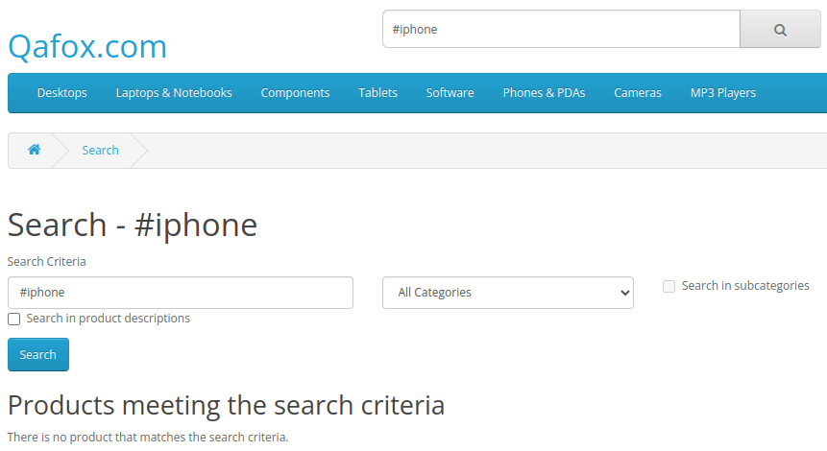
TNINJA_008 | High | The Nikon D300 camera is available but the user enters the same with a special character it is unable to display the result and a message is displayed saying - There is no product that matches the search criteria. | 1. Open the Browser 2. Enter the url - https://tutorialsninja.com/demo/ | 1. Enter the URL, application will be opened 2. When the user enter a keyword with a combination of alphabets, special characters and numbers like @Nikon D300 camera, the Nikon D300 camera is not displayed even when it is available. | When the user enters a keyword @Nikon D300 the Nikon D300 camera should be displayed | Defect, When the user enters a keyword @Nikon D300 the Nikon D300 camera is not displayed | Fail | Kanishk Chaddha | Browser - Chrome and Yahoo OS - Ubuntu 22.04.4 LTS Devices: Mobile - Samsung Galaxy S20 ultra, Samsung Galaxy A51/71, Asus Zenbook fold Laptop - Dell Inspiron 15 3000 Series | 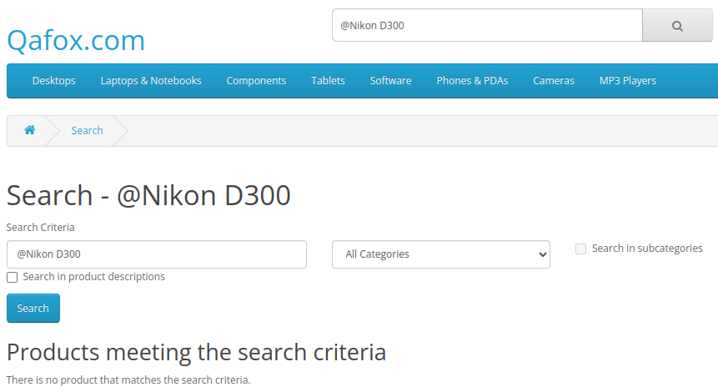
TNINJA_009 | High | The Acer desktops is not displayed instead a message is displayed saying - There is no product that matches the search criteria and also other desktops are not suggested | 1. Open the Browser 2. Enter the url - https://tutorialsninja.com/demo/ | 1. Enter the URL, application will be opened 2. When the user searches for different brand desktops like Acer desktops the results page is showing nothing | When the user searches for different brand desktops such as Acer desktops, it should also be displayed | Defect, When the user searches for different brand desktops such as Acer desktops, it is not displayed | Fail | Kanishk Chaddha | Browser - Chrome and Yahoo OS - Ubuntu 22.04.4 LTS Devices: Mobile - Samsung Galaxy S20 ultra, Samsung Galaxy A51/71, Asus Zenbook fold Laptop - Dell Inspiron 15 3000 Series | 
TNINJA_010 | High | When the user clicks on Desktop link in the header section all the available desktops is displayed along with other items such as cameras and iphones | 1. Open the Browser 2. Enter the url - https://tutorialsninja.com/demo/ | 1. Enter the URL, application will be opened 2. All the available desktops are displayed when the user clicks on desktop link but along with other items | When the user clicks on desktop link results page should display all the desktops | Defect, When the user clicks on desktop link results page is displaying all the desktops along with other items like cameras and iphones | Fail | Kanishk Chaddha | Browser - Chrome and Yahoo OS - Ubuntu 22.04.4 LTS Devices: Mobile - Samsung Galaxy S20 ultra, Samsung Galaxy A51/71, Asus Zenbook fold Laptop - Dell Inspiron 15 3000 Series | 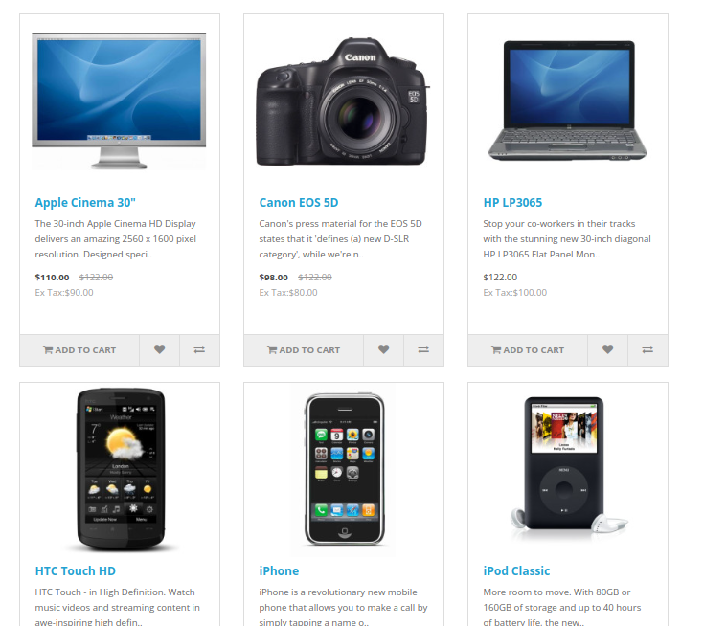
TNINJA_011 | High | When the user clicks on Components link and choose Printers from the list, Printers are not displayed instead a message is displayed saying - There are no products to list in this category. | 1. Open the Browser 2. Enter the url - https://tutorialsninja.com/demo/ | 1. Enter the URL, application will be opened 2. When the user selects Printers from components list, Printers are not displayed instead a message is displayed saying - There are no products to list in this category. | When the user selects printers from the components list, all the printers should be displayed | Defect, When the user selects printers from the components list, the printers are not displayed | Fail | Kanishk Chaddha | Browser - Chrome and Yahoo OS - Ubuntu 22.04.4 LTS Devices: Mobile - Samsung Galaxy S20 ultra, Samsung Galaxy A51/71, Asus Zenbook fold Laptop - Dell Inspiron 15 3000 Series | 
TNINJA_012 | Medium | When the user clicks on Tablets link in the header section, only one Tablet is displayed - Samsung Galaxy 10.1 | 1. Open the Browser 2. Enter the url - https://tutorialsninja.com/demo/ | 1. Enter the URL, application will be opened 2. When the user clicks on Tablets link, results page is showing only one tablet | When the user clicks on Tablets link, all the tablets of different - different brands should be displayed | Defect, When the user clicks on Tablets link, only one tablet is displaying - Samsung Galaxy 10.1 | Fail | Kanishk Chaddha | Browser - Chrome and Yahoo OS - Ubuntu 22.04.4 LTS Devices: Mobile - Samsung Galaxy S20 ultra, Samsung Galaxy A51/71, Asus Zenbook fold Laptop - Dell Inspiron 15 3000 Series | 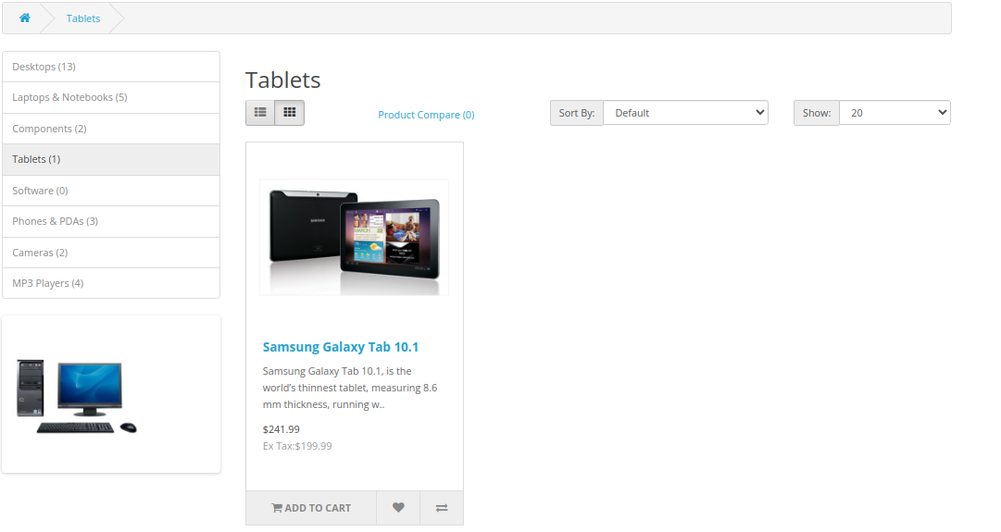
TNINJA_013 | Medium | When the user clicks on Phones & PDAs link, only 3 Phone & PDAs are displayed there is no other choice/option for customers to choose from | 1. Open the Browser 2. Enter the url - https://tutorialsninja.com/demo/ | 1. Enter the URL, application will be opened 2. When the user clicks on Phones & PDAs link, results page is showing only 3 phones & PDAs | When the user clicks on Phones & PDAs link, all the phones & PDAs should be displayed | Defect, When the user clicks on Phones & PDAs link, only 3 Phone & PDAs are displayed there is no any other choice/option for customers to choose from | Fail | Kanishk Chaddha | Browser - Chrome and Yahoo OS - Ubuntu 22.04.4 LTS Devices: Mobile - Samsung Galaxy S20 ultra, Samsung Galaxy A51/71, Asus Zenbook fold Laptop - Dell Inspiron 15 3000 Series | 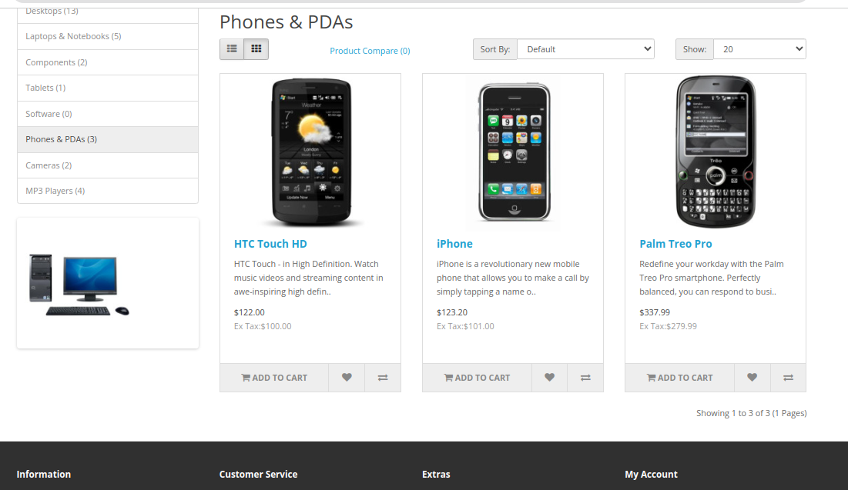
TNINJA_014 | High | When the user clicks on Cameras link in the header section, only 2 cameras are displayed there is no other choice/option for customers to choose from | 1. Open the Browser 2. Enter the url - https://tutorialsninja.com/demo/ | 1. Enter the URL, application will be opened 2. When the user clicks on Cameras link, results page is showing only 2 cameras, there is no other options for customers to choose from. | When the user clicks on cameras link, all the cameras should be displayed | Defect, When the user clicks on cameras link, only 2 cameras are displayed there is no other choice/options for customers to choose from | Fail | Kanishk Chaddha | Browser - Chrome and Yahoo OS - Ubuntu 22.04.4 LTS Devices: Mobile - Samsung Galaxy S20 ultra, Samsung Galaxy A51/71, Asus Zenbook fold Laptop - Dell Inspiron 15 3000 Series | 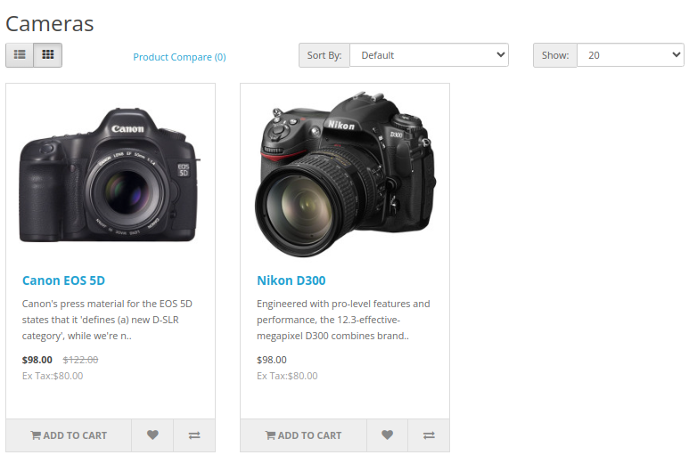
TNINJA_015 | High | When the user clicks on MP3 Players link in the header section, the MP3 Players is not displayed when user selects any of the dropdown option of MP3 players category | 1. Open the Browser 2. Enter the url - https://tutorialsninja.com/demo/ | 1. Enter the URL, application will be opened 2. When the user clicks on MP3 Players link, and select any of the option from dropdown, the MP3 players is not displayed | When the user clicks on the MP3 Player link and selects a option from the dropdown the Available MP3 Players should be displayed | Defect, When the user clicks on the MP3 Player link and selects a option from the dropdown the MP3 Players is not displayed | Fail | Kanishk Chaddha | Browser - Chrome and Yahoo OS - Ubuntu 22.04.4 LTS Devices: Mobile - Samsung Galaxy S20 ultra, Samsung Galaxy A51/71, Asus Zenbook fold Laptop - Dell Inspiron 15 3000 Series | 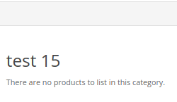
TNINJA_016 | Medium | When the user clicks on the About Us link in the footer section, The About us page is showing a blank page | 1. Open the Browser 2. Enter the url - https://tutorialsninja.com/demo/ | 1. Enter the URL, application will be opened 2. When the user clicks on About Us link, the link is redirected the user to a blank page | When the user clicks on About Us link, the user should redirected to the About Us page and it should display information about the company | Defect, When the user clicks on About Us link, the user is redirected to the About Us page but it is not displaying any information about the company it is a blank page. | Fail | Kanishk Chaddha | Browser - Chrome and Yahoo OS - Ubuntu 22.04.4 LTS Devices: Mobile - Samsung Galaxy S20 ultra, Samsung Galaxy A51/71, Asus Zenbook fold Laptop - Dell Inspiron 15 3000 Series | 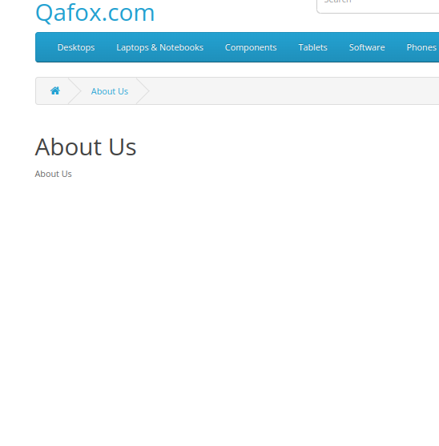
TNINJA_017 | High | When the user clicks on the Delivery information link in the footer section,The Delivery information page is showing a blank page | 1. Open the Browser 2. Enter the url - https://tutorialsninja.com/demo/ | 1. Enter the URL, application will be opened 2. When the user clicks on Delivery information link, the link is redirected the user to a blank page | When the user clicks on Delivery information link, the user should be redirected to the Delivery information page and it should display the information about the delivery process | Defect,When the user clicks on Delivery information link, the user is redirected to the Delivery information page but it is not displaying any information about the delivery process, it is a blank page. | Fail | Kanishk Chaddha | Browser - Chrome and Yahoo OS - Ubuntu 22.04.4 LTS Devices: Mobile - Samsung Galaxy S20 ultra, Samsung Galaxy A51/71, Asus Zenbook fold Laptop - Dell Inspiron 15 3000 Series | 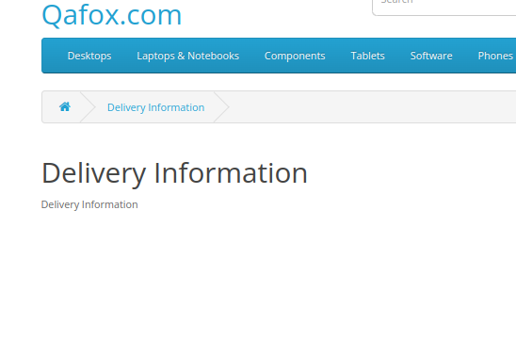
TNINJA_018 | High | When the user clicks on Software link in the header section, the Softwares are not displayed instead a message is displayed saying - There are no products to list in this category. | 1. Open the Browser 2. Enter the url - https://tutorialsninja.com/demo/ | 1. Enter the URL, application will be opened 2. When the user clicks on Software link, the link is redirected the user to the Softwares page but it is blank | When the user clicks on Softwares link, all the available softwares should be displayed | Defect, When the user clicks on Software link, Softwares are not displayed instead a message is displayed saying - There are no products to list in this category. | Fail | Kanishk Chaddha | Browser - Chrome and Yahoo OS - Ubuntu 22.04.4 LTS Devices: Mobile - Samsung Galaxy S20 ultra, Samsung Galaxy A51/71, Asus Zenbook fold Laptop - Dell Inspiron 15 3000 Series | 
TNINJA_019 | High | The searched camera is not displayed because there is only 2 cameras available of another brands and a message is displayed saying - There is no product that matches the search criteria. | 1. Open the Browser 2. Enter the url - https://tutorialsninja.com/demo/ | 1. Enter the URL, application will be opened 2. When the user search for another brands camera like - Sony alpha ZV-E10L, results page is showing a blank page with a message saying - There is no product that matches the search criteria. | When the user searches for another brand camera like - Sony alpha ZV-E10L, the results for the same should be displayed | Defect, When the user searches for another brand camera like - Sony alpha ZV-E10L, the results page is showing a blank page with a message saying - There is no product that matches the search criteria. | Fail | Kanishk Chaddha | Browser - Chrome and Yahoo OS - Ubuntu 22.04.4 LTS Devices: Mobile - Samsung Galaxy S20 ultra, Samsung Galaxy A51/71, Asus Zenbook fold Laptop - Dell Inspiron 15 3000 Series | 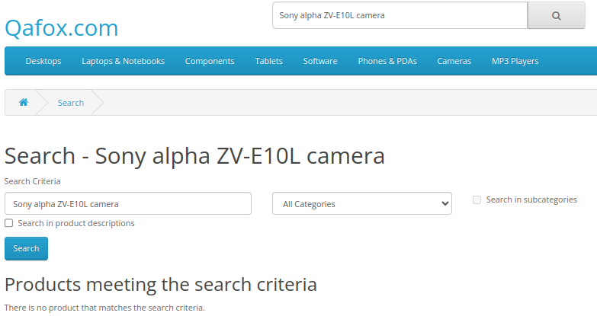
TNINJA_020 | High | The add to cart button is disabled to proceed further in case of cameras because there is a required/mandatory field called select in the product details page which indicates to choose available options but there is no any option to choose from | 1. Open the Browser 2. Enter the url - https://tutorialsninja.com/demo/ | 1. Enter the URL, application will be opened 2. When the user clicks on cameras link, cameras are displayed and selects Canon EOS 5D camera, product details page is opened and then if the user clicks on add to cart button, he is unable to proceed further because there is a mandotory field called select to select available options but there is no options at all | The user should be able to add a item into cart by clicking on add to cart button | Defect, The required/mandatory field called select which indicates to choose available options is stopping the user to move forward because there is no any option to choose from | Fail | Kanishk Chaddha | Browser - Chrome and Yahoo OS - Ubuntu 22.04.4 LTS Devices: Mobile - Samsung Galaxy S20 ultra, Samsung Galaxy A51/71, Asus Zenbook fold Laptop - Dell Inspiron 15 3000 Series | 